Information Guide
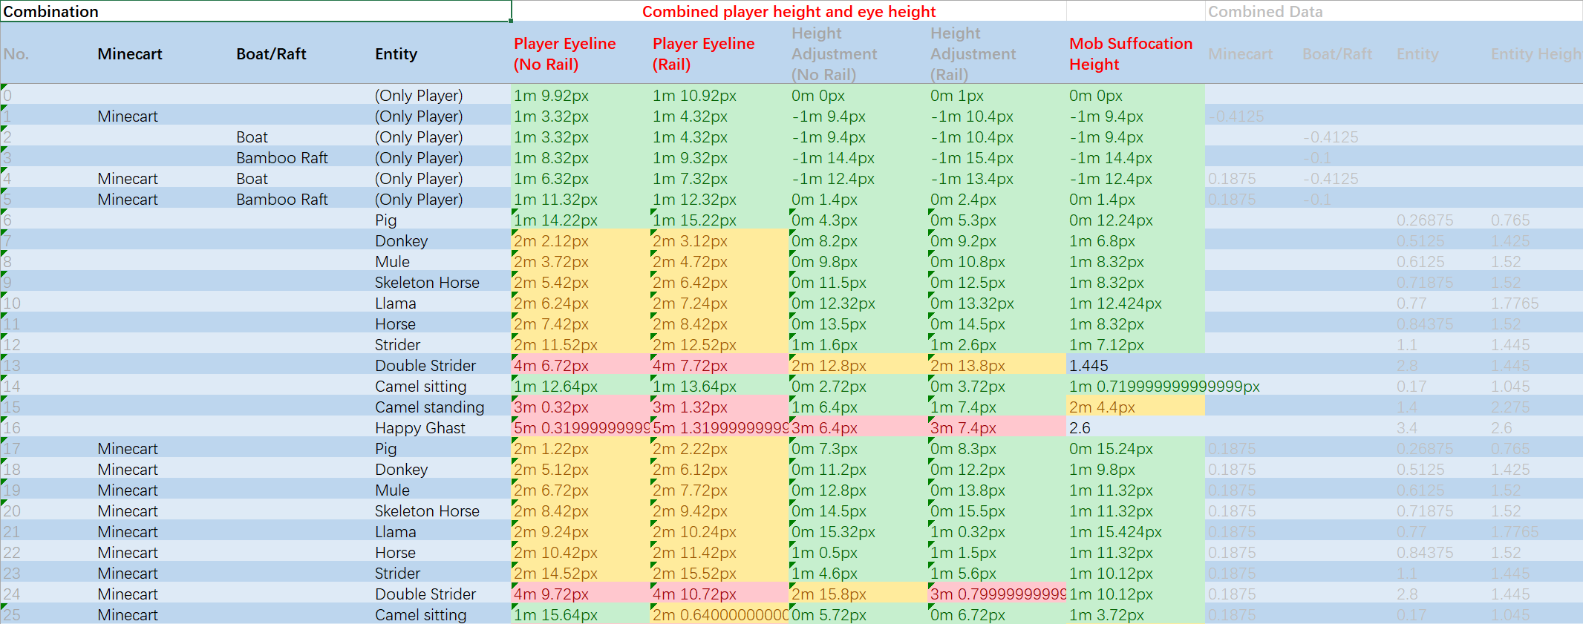
 | Special thanks to ihatefallingblocks for the corrections and en_us translation
 | This spreadsheet has a lot of DENSE information, so here is a quick guide

 | Player Eyeline (No Rail) | Use this if the vehicle is not on a rail. The player's eyeline (where you aim) will be at this y level in relation to the ground
 | Player Eyeline (Rail) | Use this if the vehicle is on a rail. It will also be the eyeline's y level in relation to the ground. (+1 pixels)
 | Height Adjustment (No Rail) | Additional information, telling you how much the ride height changes the player's position. For example, sitting in a minecart makes the player lower than if they were just standing.
 | Height Adjustment (Rail) | Same as above, but when on a rail (+1 pixels)
 | Mob Suffocation Height (No Rail) | The mob's eyeline y level in relation to the ground. If this is within a solid block the mob will suffocate. (Rail one +1 pixels)

 | You can directly use the sorting or filtering function of Excel to easily filter out the data you want
 | Provides two data types: meters and pixels, making it easier for players to find
 | "Camel sitting" is invalid when in a minecart. The player's seat position is still the effect of "camel standing". It may be a bug of moajng. This data may be useful if it is fixed in the future.

The first 4 columns tell you what combination of entities is used. |  |  | The next 5 columns tell you the eyeline of the player and the mobs | The last 5 columns are for calculations, just adjusting the height based on which entities are used

